Main
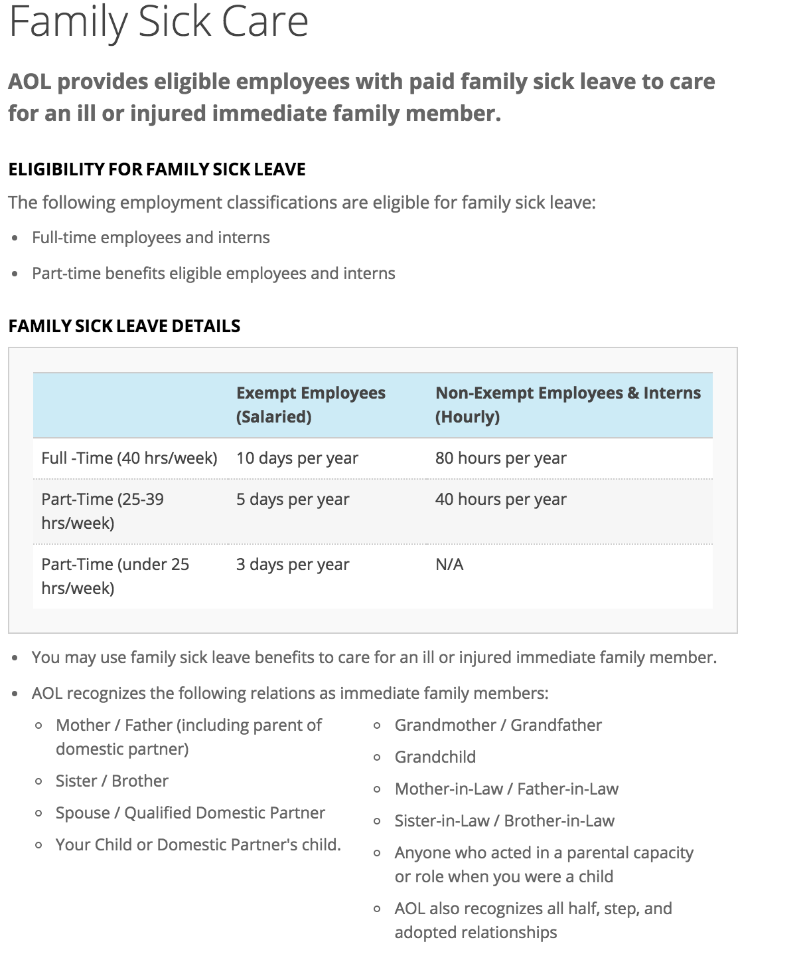
 |  |  |  |  | Ver. 1.1
Instructions:
Make a copy of this sheet so you can keep track of your own time.
Input your time/hours into Green boxes, do not touch Red boxes.

Time from VZ
 | Accrued | Used | Remain | Dates
Vacation | 999 | 0 | 999
Personal | 999 | 0 | 999
Sick | 56 | 0 | 56
Family Care | 80 | 0 | 80

Time from AOL
 | Hrs/PP | PP | Accrued | Total Vacation (VZ + AOL)
Vacation | 4.62 | 6 | 27.72 | 1026.72

Pay Peroids Elapsed |  | 6
5/13/2016 |  | Input the most recent pay date so this number can be automatically populated
5/27/2016
6/10/2016
6/24/2016
7/8/2016
7/22/2016

Other
